_How to use this template
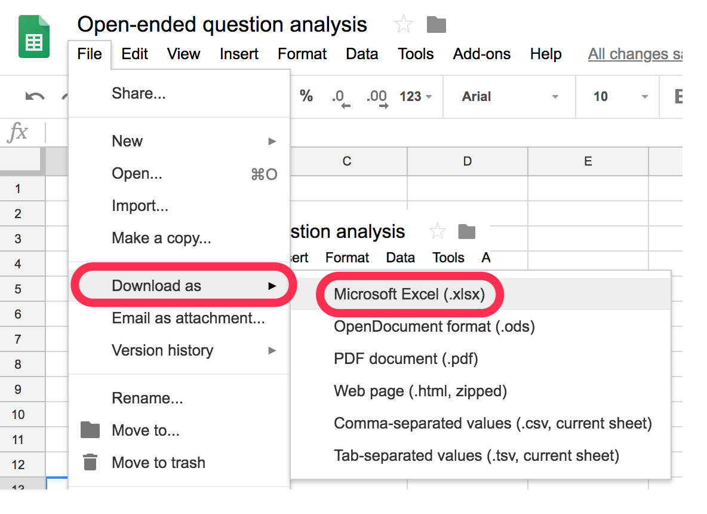
 |  | Open-ended question analysis template [by Hotjar]

1 | Follow the instructions in this article to use this template.

2 | Make a copy of the template before using it in Google Sheets: 'File' > 'Make a copy'
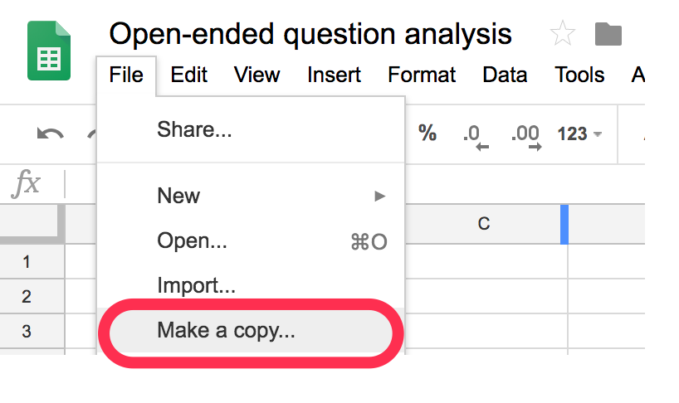

3 | Or download the template as .XLS: 'File' > 'Download as > .XLS'

